Jan K-8 NSLP BF-Lunch
January 2021 |  |  | iLead Lancaster |  |  |  |  | GRADE: K-8
 |  |  |  |  |  |  |  | NSLP Master Menu
 |  |  | B= |  | L= |  | S= |  | Serve w/ Milk & Fruit
Last updated: 12/3/20 at 5:15 pm |  |  |  |  |  |  |  |  | Menus subject to change.
MONDAY |  | TUESDAY |  | WEDNESDAY |  | THURSDAY |  | FRIDAY
RED/ORANGE |  | STARCHY |  | DARK GREEN |  | LEGUMES |  | OTHER
28 |  | 29 |  | 30 |  | 31 |  | 1
 | Cheese Quesadilla |  | Waffles (2) |  | Coffee Cinnamon Crumble |  | Grilled Cheese Sandwich |  | Mexican Concha
 | Bagel & Jelly |  | Banana Muffin |  | Bagel & Jelly |  | Blueberry Muffin |  | Bagel & Jelly
 | Pepperoni Pizza w/carrots (3/4c) |  | Beef Chili Cheese Tater Tots (3/4c) w/dinner roll |  | Teriyaki Chicken Chow Mein w/broccoli (3/4c) |  | Creamy Chicken Chipotle w/brown rice (3/4c) & pinto beans (3/4c) |  | Chicken Alfredo Pasta w/carrots (3/4c)
 | BBQ Chicken on a Bun w/carrots (3/4c) |  | Cheeseburger w/tater tots (3/4c) |  | Spaghetti and Meatballs w/broccoli (3/4c) |  | Cajun Cheese Pasta w/bbq bean salad (3/4c) |  | Hawaiian Chicken & Brown Rice (3/4c) w/carrots (3/4c)
 | Italian Turkey, Ham & Cheese Hoagie Sandwich w/carrot sticks (3/4c) |  | Turkey & Cheese Bagel Sandwich w/bbq corn salad (3/4c) |  | Turkey & Cheese Croissant Sandwich w/broccoli (3/4c) |  | Cilantro Chicken Salad Hoagie Sandwich w/bbq bean salad (3/4c) |  | Turkey & Cheese Sandwich w/carrot sticks (3/4c)

4 |  | 5 |  | 6 |  | 7 |  | 8

 | Bagel & Jelly |  | Banana Muffin |  | Coffee Cinnamon Crumble |  | Bean & Cheese Breakfast Burrito |  | Mexican Concha

 | Cheeseburger w/carrots (3/4c) |  | Turkey & Cheese Bagel Sandwich w/bbq corn salad (3/4c) |  | Lemon Pepper Chicken & Brown Rice (3/4c) w/broccoli (3/4c) |  | Beef & Cheese Nachos w/pinto beans (3/4c) |  | Marinara Cheese Pasta w/carrots (3/4c)

11 |  | 12 |  | 13 |  | 14 |  | 15

 | Cheese Quesadilla |  | Banana Muffin |  | Coffee Cinnamon Crumble |  | Grilled Cheese Sandwich |  | Bagel & Jelly

 | Italian Turkey, Ham & Cheese Hoagie Sandwich w/carrot sticks (3/4c) |  | Chicken & Waffles w/mashed potatoes (3/4c) |  | Vegetarian Lasagna w/broccoli (3/4c) |  | Parmesan Cheese Pasta w/bbq bean salad (3/4c) |  | Turkey Hot Dog on a Bun w/carrots (3/4c)

18 |  | 19 |  | 20 |  | 21 |  | 22

 | Strawberry Muffin |  | Banana Muffin |  | Bagel & Jelly |  | Bean & Cheese Breakfast Burrito |  | Mexican Concha

 | BBQ Chicken on a Bun w/carrots (3/4c) |  | Beef Chili Cheese Tater Tots (3/4c) w/dinner roll |  | Teriyaki Chicken Chow Mein w/broccoli (3/4c) |  | Cajun Cheese Pasta w/bbq bean salad (3/4c) |  | Hawaiian Chicken & Brown Rice (3/4c) w/carrots (3/4c)

25 |  | 26 |  | 27 |  | 28 |  | 29

 | Cheese Quesadilla |  | Waffles (2) |  | Bagel & Jelly |  | Grilled Cheese Sandwich |  | Mexican Concha

 | Pepperoni Pizza w/carrots (3/4c) |  | Chicken Nuggets w/whole kernel corn (3/4c) |  | Turkey & Cheese Croissant Sandwich w/broccoli (3/4c) |  | Beef & Cheese Nachos w/pinto beans (3/4c) |  | Chicken Teriyaki & Brown Rice (3/4c) w/carrots (3/4c)

This institution is an equal opportunity provider. |  |  |  |  |  |  |  |  | Breakfast fruit/juice portions: 1 cup & Lunch fruit/juice portions: 1/2 cup (Juice cannot exceed 50% of total weekly servings.) Milk (1 Cup) (1%/Non-fat/Non-fat Choc)
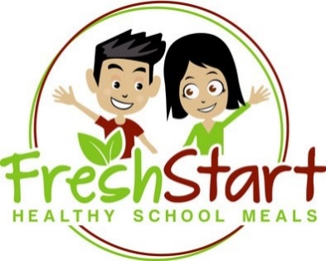
School Notes: |  |  |  |  |  |  | 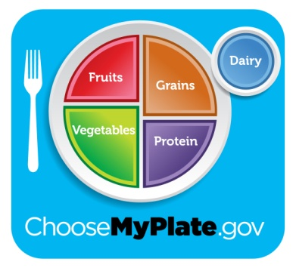


 |  |  |  |  |  |  |  | eat right, be bright!

