April K-8 SBP-NSLP
 | April 2023 |  |  | iLead Lancaster |  |  |  |  | GRADE: K-8
 |  |  |  |  |  |  |  |  | SBP/NSLP Menu
 |  |  |  | B= |  | L= |  | S= |  | Serve w/ Milk & Fruit
 | Last updated:3/1/23 at 12:45 pm |  |  |  |  |  |  |  |  | Menus are not final. Menu items may change due to national supply chain issues including limited food availability, staff shortages, distribution issues, inflationary prices and/or other challenges.
 | MONDAY |  | TUESDAY |  | WEDNESDAY |  | THURSDAY |  | FRIDAY
 | RED/ORANGE |  | DARK GREEN |  | LEGUMES |  | STARCHY |  | OTHER
 | 27 |  | 28 |  | 29 |  | 30 |  | 31
BREAKFAST | 125 | String Cheese & Strawberry NutriGrain Bar | 125 | Rice Chex & WG Crackers | 125 | Coffee Cinnamon Crumble | 125 | Cinnamon French Toast | 125 | Mexican Concha
HOT MEAL | 300 | Hawaiian Chicken w/brown rice (3/4c) & steamed carrots (3/4c) | 300 | Teriyaki Chicken Chow Mein Bowl w/steamed broccoli & carrots (1c) | 300 | Red Chicken Enchiladas w/pinto beans (3/4c) | 300 | Chicken Nuggets w/whole kernel corn (3/4c)
COLD MEAL |  |  |  |  |  |  |  |  | 150 | Tuna Salad Sandwich w/carrot sticks (3/4c)
 | 3 |  | 4 |  | 5 |  | 6 |  | 7
BREAKFAST | 125 | Coffee Cinnamon Crumble | 125 | Pancakes (2) | 125 | Bagel & Cream Cheese | 125 | Soyrizo Bean Breakfast Burrito | 125 | Strawberry Muffin
HOT MEAL | 270 | Bean & Cheese Burrito w/carrot sticks (1/2c) | 270 | Spaghetti and Meat Sauce (3/4c) w/steamed broccoli & carrots (1c) | 270 | Turkey Hot Dog on a Bun w/bbq baked beans (3/4c) | 300 | Chicken Nuggets w/whole kernel corn (3/4c)
SALAD | 30 | Italian Antipasto Salad with a Wheat Dinner Roll | 30 | Caesar Chicken Salad with a Wheat Dinner Roll | 30 | Santa Fe Chicken Salad with a Wheat Dinner Roll | 30 | Chef Turkey & Ham Salad with a Wheat Dinner Roll | 150 | Chinese Chicken Salad with a Wheat Dinner Roll
 | 10 |  | 11 |  | 12 |  | 13 |  | 14
BREAK |  | NO SCHOOL |  | NO SCHOOL |  | NO SCHOOL |  | NO SCHOOL |  | NO SCHOOL

 | 17 |  | 18 |  | 19 |  | 20 |  | 21
BREAKFAST |  | NO SCHOOL | 125 | Trix & WG Crackers | 125 | Banana Muffin | 125 | Cheese Quesadilla | 125 | Yogurt & Graham Crackers
HOT MEAL |  |  | 270 | Chicken Alfredo Baked Ziti Bowl w/steamed broccoli & carrots (1c) | 270 | Green Chicken Enchiladas w/pinto beans (3/4c) | 300 | Hamburger w/tater tots (3/4c)
COLD MEAL |  |  |  |  |  |  |  |  | 150 | Turkey & Cheese Bagel Sandwich w/carrot sticks (3/4c)
SALAD |  |  | 30 | Caesar Chicken Salad with a Wheat Dinner Roll | 30 | Santa Fe Chicken Salad with a Wheat Dinner Roll | 30 | Chef Turkey & Ham Salad with a Wheat Dinner Roll
 | 24 |  | 25 |  | 26 |  | 27 |  | 28
BREAKFAST | 125 | Banana Muffin | 125 | Cinnamon Toast Crunch & WG Crackers | 125 | Bagel & Cream Cheese | 125 | Bean & Cheese Breakfast Burrito | 125 | Mexican Concha
HOT MEAL | 270 | Breaded Chicken Patty on a HB Bun w/carrot sticks (3/4c) | 270 | Teriyaki Chicken Chow Mein Bowl w/steamed broccoli & carrots (1c) | 270 | Three Cheese Mac & Cheese w/bbq baked beans (3/4c) | 270 | Chicken Empanada w/whole kernel corn (3/4c)
COLD MEAL |  |  |  |  |  |  |  |  | 150 | Ham and Cheese Hoagie Sandwich w/carrot sticks (3/4c)
SALAD | 30 | Italian Antipasto Salad with a Wheat Dinner Roll | 30 | Caesar Chicken Salad with a Wheat Dinner Roll | 30 | Santa Fe Chicken Salad with a Wheat Dinner Roll | 30 | Chef Turkey & Ham Salad with a Wheat Dinner Roll
 | This institution is an equal opportunity provider. |  |  |  |  |  |  |  |  | Breakfast fruit/juice portions: 1 cup & Lunch fruit/juice portions: 1/2 cup (Juice cannot exceed 50% of total weekly servings.) Milk (1 Cup) (1%/Non-fat/Non-fat Choc)
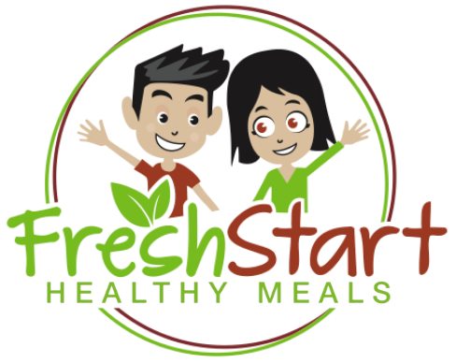

 | School Notes: |  |  |  |  |  |  | 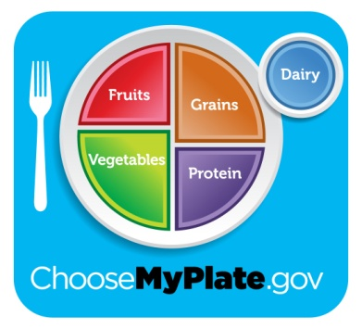
 |  | 4/10/2023 - 4/17/2023 NO SCHOOL

 |  |  |  |  |  |  |  |  | eat right, be bright!

