Nov K-8 SBP-NSLP
 | November 2023 |  |  | School Name |  |  |  |  | GRADE: K-8
 |  |  |  |  |  |  |  |  | SBP/NSLP Menu
 |  |  |  | B= |  | L= |  | S= |  | Serve w/ Milk & Fruit
 | Last updated:5/25/23 at 12:45 pm |  |  |  |  |  |  |  |  | Menus are not final. Menu items may change due to national supply chain issues including limited food availability, staff shortages, distribution issues, inflationary prices and/or other challenges.
 | MONDAY |  | TUESDAY |  | WEDNESDAY |  | THURSDAY |  | FRIDAY
 | RED/ORANGE |  | DARK GREEN |  | LEGUMES |  | STARCHY |  | OTHER
 | 30 |  | 31 |  | 1 |  | 2 |  | 3

 | 6 |  | 7 |  | 8 |  | 9 |  | 10
BREAKFAST |  | Banana Muffin |  | Lucky Charms & WG Crackers |  | Bagel & Jelly |  | Multi Grain Cheerios & WG Crackers
HOT MEAL |  | Breaded Chicken Patty on a HB Bun w/carrot sticks (3/4c) |  | Hawaiian Chicken w/brown rice (3/4c) & steamed broccoli & carrots (1c) |  |  |  | Beef Marinara Baked Ziti Bowl w/whole kernel corn (1/2c)
HOT VEGETARIAN |  |  |  |  |  | Cheese Quesadilla w/spanish rice (1/2c) & fiesta beans & corn (3/4c) |  |  |  | NO SCHOOL

DAILY SALAD |  | Italian Antipasto Salad with a Wheat Dinner Roll |  | Santa Fe Chicken Salad with a Wheat Dinner Roll |  | Caesar Chicken Salad with a Wheat Dinner Roll |  | Chef Turkey & Ham Salad with a Wheat Dinner Roll
 | 13 |  | 14 |  | 15 |  | 16 |  | 17
BREAKFAST |  | Coffee Cinnamon Crumble |  | Trix & WG Crackers |  | Banana Muffin |  | Coco Puffs & WG Crackers |  | Yogurt & Graham Crackers
HOT MEAL |  | BBQ Chicken on a HB Bun w/carrot sticks (3/4c) |  | Chicken Alfredo Baked Ziti Bowl w/steamed broccoli & carrots (1c) |  | Green Chicken Enchiladas w/fiesta beans & corn (1/2c) |  | Hamburger w/tater tots (3/4c) |  | Spaghetti and Meatballs w/steamed carrots (1/2c)
HOT VEGETARIAN

DAILY SALAD |  | Italian Antipasto Salad with a Wheat Dinner Roll |  | Santa Fe Chicken Salad with a Wheat Dinner Roll |  | Caesar Chicken Salad with a Wheat Dinner Roll |  | Chef Turkey & Ham Salad with a Wheat Dinner Roll
 | 20 |  | 21 |  | 22 |  | 23 |  | 24
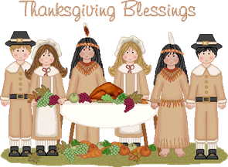

 |  | THANKSGIVING BREAK |  | THANKSGIVING BREAK |  | THANKSGIVING BREAK |  |  |  | THANKSGIVING BREAK

 | 27 |  | 28 |  | 29 |  | 30 |  | 1
BREAKFAST |  | Coffee Cinnamon Crumble |  | Cinnamon French Toast |  | Bagel & Jelly |  | Rice Chex & WG Crackers |  | Banana Muffin
HOT MEAL |  |  |  | Beef Marinara Baked Ziti Bowl w/steamed broccoli & carrots (1c) |  | Chicken Tamal w/fiesta beans & corn (3/4c) |  | Chicken, Rice & Bean Burrito w/whole kernel corn (1/2c)
HOT VEGETARIAN

COLD MEAL |  | Ham and Cheese Panini w/carrot sticks (3/4c) |  |  |  |  |  |  |  | Torta de Tinga w/carrot sticks (3/4c)

DAILY SALAD |  | Italian Antipasto Salad with a Wheat Dinner Roll |  | Santa Fe Chicken Salad with a Wheat Dinner Roll |  | Caesar Chicken Salad with a Wheat Dinner Roll |  | Chef Turkey & Ham Salad with a Wheat Dinner Roll
 | This institution is an equal opportunity provider. |  |  |  |  |  |  |  |  | Breakfast fruit/juice portions: 1 cup & Lunch fruit/juice portions: 1/2 cup (Juice cannot exceed 50% of total weekly servings.) Milk (1 Cup) (1%/Non-fat/Non-fat Choc)
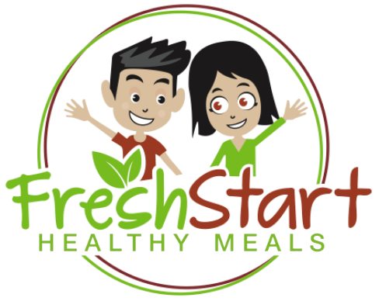
 | School Notes: |  |  |  |  |  |  | 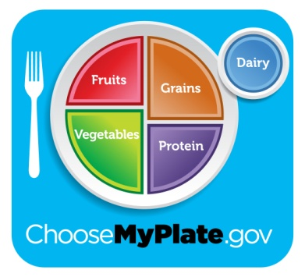


 |  |  |  |  |  |  |  |  | eat right, be bright!

